Dashboard
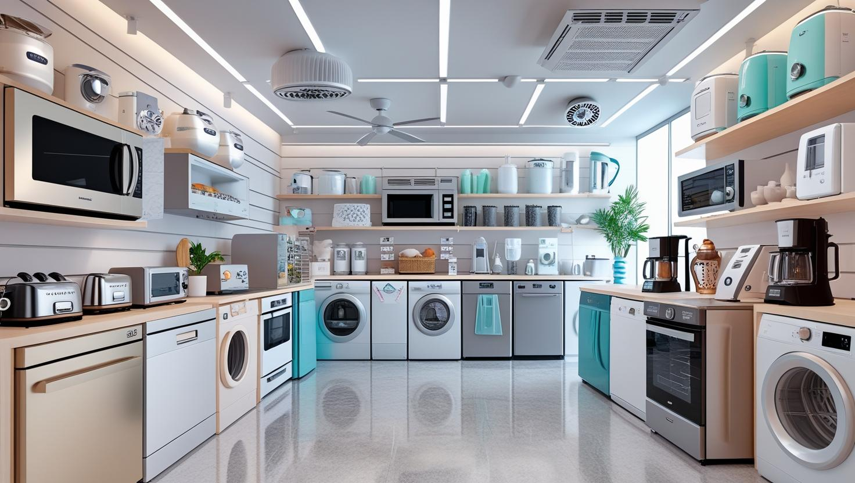

 | 2014 | 2015 | 2016 | 2017 | 2018
Air conditioner | 35 | 48 | 34 | 44 | 34
Blender | 35 | 41 | 34 | 40 | 46
Ceiling fan | 35 | 33 | 32 | 50 | 30
Coffee grinder | 32 | 43 | 44 | 37 | 33
Dishwasher | 42 | 27 | 33 | 44 | 28
Iron | 51 | 46 | 44 | 43 | 55
Microwave | 35 | 46 | 48 | 36 | 38
Oven | 44 | 37 | 29 | 35 | 49
Refrigerator | 43 | 30 | 37 | 41 | 33
Toaster | 45 | 34 | 34 | 42 | 35
Vacuum Cleaner | 41 | 37 | 38 | 40 | 40
Washing Machine | 38 | 40 | 35 | 43 | 43
Discount And sum of Sales Based on Months
 | Sum of Actual Price | Sum of Discoumt Ammount
January | 55747 | 8563
February | 52973 | 10187
March | 57796 | 9894
April | 59226 | 10834
May | 51119 | 10281
June | 60604 | 10726
July | 65595 | 11425
August | 56291 | 8999
September | 57011 | 9349
October | 59435 | 8705
November | 55275 | 9825
December | 46944 | 8836
Sum Of Actual Prices Based on Region
 | Total
APAC | 167030
EMEA | 305714
LATAM | 98489
NA | 106783

0

Sum of Actual prices over Month and Year
 | Total
January | 8244
February | 11029
March | 9547
April | 12240
May | 12523
June | 10764
July | 12981
August | 18829
September | 11833
October | 9273
November | 12269
December | 8205
January | 10138
February | 11452
March | 13502
April | 7716
May | 9720
June | 10737
July | 12051
August | 9990
September | 8375
October | 12442
November | 10460
December | 10772
January | 11788
February | 11548
March | 11983
April | 12809
May | 9677
June | 12645
July | 10796
August | 5940
September | 11297
October | 12831
November | 10009
December | 5966
January | 11267
February | 9789
March | 11059
April | 16597
May | 9042
June | 12386
July | 20439
August | 11148
September | 11036
October | 14729
November | 12945
December | 10536
January | 14310
February | 9155
...
 | Sum of Actual Price | Sum of Discoumt Ammount
Argentina | 15724 | 3546
Australia | 14886 | 3004
Austria | 13672 | 2228
Brazil | 13051 | 3069
Canada | 16591 | 3759
Chile | 13040 | 2590
China | 36241 | 6379
Columbia | 16247 | 3123
Czech Republic | 16686 | 1794
Egypt | 12816 | 2094
France | 16374 | 2566
Germany | 16397 | 2393
Greece | 11167 | 2403
India | 32807 | 7943
Ireland | 17896 | 2514
Israel | 26209 | 4851
Italy | 11910 | 2550
Japan | 30719 | 5551
Malaysia | 12700 | 1880
Mexico | 29170 | 4980
Netherlands | 14850 | 2760
Peru | 11257 | 1543
Poland | 14846 | 3384
Romania | 13102 | 1978
Russia | 21083 | 2787
Saudi Arabia | 12205 | 3325
South Africa | 15686 | 1844
South Korea | 15677 | 2543
Spain | 17477 | 2323
Thailand | 13302 | 1278
Turkey | 12263 | 1727
UAE | 11520 | 2580
UK | 29555 | 3675
USA | 90192 | 14248
Vietnam | 10698 | 2412

f

